VARSITY
Thanks to Our Sponsors
2020 Varsity Brain Bowl Competition |  |  |  |  |  |  |  |  |  |  |  |  | TEAM CHALLENGE SCORES
 | 1 |  | 2 |  | 3 |  | 4 |  | 5 |  | W/L | Score | PTS POSS | 20 | 28 | 18 | 14 | 12 | 92
DIVISION A | W/L (vs) | pts | W/L (vs) | pts | W/L (vs) | pts | W/L (vs) | pts | W/L (vs) | pts |  |  | ROUND | 1 | 2 | 3 | 4 | 5 | Total
Ashland | W | 38 | W | 43 | W | 33 | Bye |  | L | 16 | 3/1 | 130 |  | 4 | 10 | 18 | 10 | 6 | 48

Grants Pass | W | 26 | Bye |  | L | 6 | L | 11 | L | 9 | 1/3 | 52 |  | 9 | 6 | 18 | 6 | 4 | 43
Logos | L | 21 | L | 5 | L | 2 | W | 17 | Bye |  | 1/3 | 45 |  | 10 | 22 | 18 | 10 | 4 | 64
N. Medford | L | 10 | L | 19 | Bye |  | L | 15 | W | 15 | 1/3 | 59 |  | 7 | 22 | 16 | 10 | 4 | 59
St. Mary's | Bye |  | W | 21 | W | 39 | W | 25 | W | 31 | 4/0 | 116 |  | 10 | 18 | 18 | 4 | 8 | 58

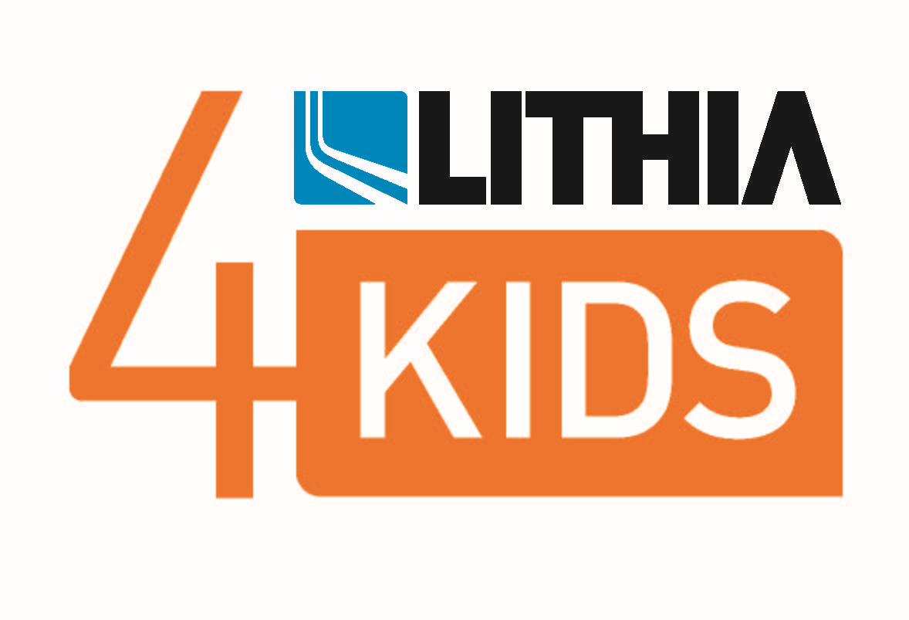
DIVISION B | W/L (vs) | pts | W/L (vs) | pts | W/L (vs) | pts | W/L (vs) | pts | W/L (vs) | pts |  |  | ROUND | 1 | 2 | 3 | 4 | 5 | Total
Cascade | W | 30 | L | 20 | W | 12 |  |  |  |  | 2/1 | 62 |  | 10 | 12 | 18 | 6 | 10 | 56
Eagle Point | L | 8 | L | 8 | L | 2 |  |  |  |  | 0/3 | 18 |  | 3 | 6 | 12 | 6 | 6 | 33
North Valley | W | 26 | W | 21 | W | 24 |  |  |  |  | 3/0 | 71 |  | 4 | 12 | 16 | 6 | 8 | 46
Phoenix | L | 3 | W | 17 | L | 5 |  |  |  |  | 1/2 | 25 |  | 3 | 14 | 18 | 8 | 6 | 49

V Sportsmanship
Thanks to Our Sponsors
2020 Varsity | SPORTSMANSHIP
 | PTS POSS | 10 | 10 | 10 | 10 | 10 | 50
DIVISION A | ROUND | 1 | 2 | 3 | 4 | 5 | Total
Ashland |  | 9 | 9 | 9 | B | 9 | 36
Grants Pass |  | 8 | B | 10 | 10 | 9 | 37
Logos |  | 10 | 10 | 10 | 9 | B | 39
N. Medford |  | 10 | 9 | B | 8 | 3 | 30
St. Mary's |  | B | 10 | 7 | 7 | 9 | 33

DIVISION B | ROUND | 1 | 2 | 3 | 4 | 5 | Total
Cascade |  | 10 | 8 | 10 |  |  | 28
Eagle Point |  | 10 | 10 | 8 |  |  | 28
North Valley |  | 6 | 8 | 8 |  |  | 22
Phoenix |  | 10 | 10 | 10 |  |  | 30

JUNIOR VARSITY
Thanks to Our Sponsors
Thanks to Our Sponsors
2020 Junior Varsity Brain Bowl Competition |  |  |  |  |  |  |  |  |  |  |  |  | TEAM CHALLENGE SCORES
 | 1 |  | 2 |  | 3 |  | 4 |  | 5 |  | W-L | Score
TEAMS |  |  |  |  |  |  |  |  |  |  |  |  | PTS POSS | 16 | 21 | 20 | 18 | 20 | 95
DIVISION A | W/L (vs) | pts | W/L (vs) | pts | W/L (vs) | pts | W/L (vs) | pts | W/L (vs) | pts |  |  | ROUND | 1 | 2 | 3 | 4 | 5 | Total
Ashland | W | 22 | W | 21 | W | 10 |  |  |  |  | 3/0 | 53 |  | 0 | 20 | 12 | 8 | 7 | 47
Grants Pass | L | 21 | W | 15 | L | 10 |  |  |  |  | 1/2 | 46 |  | 0 | 2 | 12 | 8 | 3 | 25
Logos | L | 13 | L | 7 | W | 13 |  |  |  |  | 1/2 | 33 |  | 2 | 4 | 12 | 12 | 6 | 36
North Medford | W | 19 | L | 11 | L | 4 |  |  |  |  | 1/2 | 34 |  | 0 | 6 | 5 | 9 | 5 | 25

DIVISION B | W/L (vs) | pts | W/L (vs) | pts | W/L (vs) | pts | W/L (vs) | pts | W/L (vs) | pts |  |  | ROUND | 1 | 2 | 3 | 4 | 5 | Total
Cascade Christian | L | -2 | L | 2 | L | -3 |  |  |  |  | 0/3 | -3 |  | 0 | 2 | 9 | 5 | 3 | 19
North Valley | W | 5 | L | -4 | W | 12 |  |  |  |  | 2/1 | 13 |  | 0 | 5 | 3 | 5 | 7 | 20
Phoenix | L | 3 | W | 3 | L | -1 |  |  |  |  | 1/2 | 5 |  | 2 | 3 | 4 | 6 | 5 | 20
South Medford | W | 14 | W | 12 | W | 15 |  |  |  |  | 3/0 | 41 |  | 2 | 6 | 8 | 10 | 8 | 34

JV Sportsmanship
Thanks to Our Sponsors
Thanks to Our Sponsors
2020 JV | SPORTSMANSHIP
 | PTS POSS | 10 | 10 | 10 | 10 | 10 | 50
DIVISION A | ROUND | 1 | 2 | 3 | 4 | 5 | Total
Ashland |  | 10 | 8 | 10 |  |  | 28
Grants Pass |  | 10 | 8 | 10 |  |  | 28
Logos |  | 10 | 10 | 10 |  |  | 30
N. Medford |  | 9 | 10 | 9 |  |  | 28

DIVISION B | ROUND | 1 | 2 | 3 | 4 | 5 | Total
Cascade |  | 10 | 10 | 10 |  |  | 30
North Valley |  | 10 | 10 | 9 |  |  | 29
Phoenix |  | 10 | 9 | 9 |  |  | 28
South M |  | 8 | 9 | 10 |  |  | 27

JV and Varsity Finals
Thanks to Our Sponsors
JV FINALS
TEAMS | SCHOOL | SCORE
DIVISION A
1 ORANGE VS | Ashland
2 ORANGE | Grants Pass
DIVISION A WINNER: Ashland
DIVISION B
1 GREEN VS | North Valley
2 GREEN | South Medford
DIVISION B WINNER: South Medford

TEAMS | SCHOOL | SCORE
DIVISION A
1 YELLOW VS | Ashland
2 YELLOW | St. Mary's
DIVISION A WINNER: St. Mary's School
DIVISION B
1 BLUE VS | Cascade
2 BLUE | North Valley
DIVISION B WINNER: North Valley High School

