Varsity
Thanks to Our Sponsors
2022 Varsity Brain Bowl Competition |  |  |  |  |  |  |  |  |  |  |  |  | TEAM CHALLENGE SCORES
 | 1 |  | 2 |  | 3 |  | 4 |  | 5 |  | W/L | Score
DIVISION A | W/L (vs) | pts | W/L (vs) | pts | W/L (vs) | pts | W/L (vs) | pts | W/L (vs) | pts |  |  | ROUND | 1 | 2 | 3 | 4 | 5 | Total
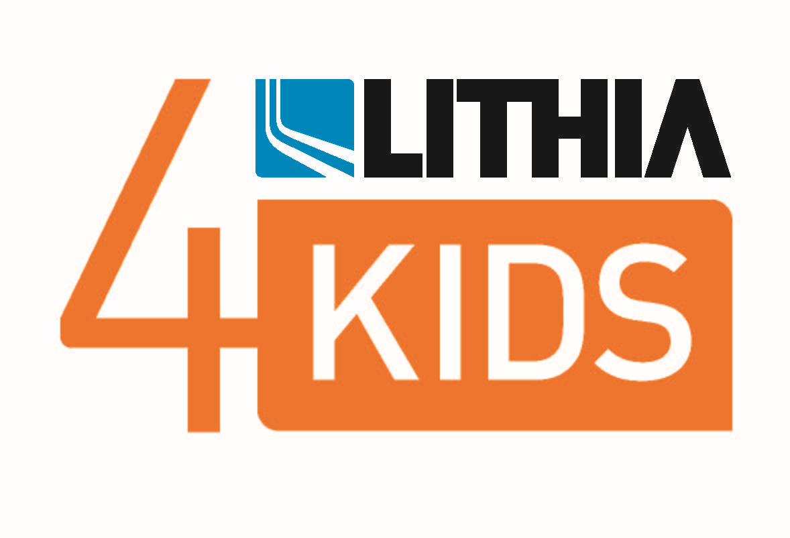
Ashland | W | 21 | L | 17 | L | 15 | BYE |  | W | 12 | 2/2 | 65 |  | 19 | 8 | 45 | 8 | 6 | 86
Grants Pass | L | 10 | BYE | 0 | W | 20 | W | 16 | W | 12 | 3/1 | 58 |  | 23 | 6 | 38 | 4 | 7 | 78
North Medford | W | 21 | W | 31 | W | 18 | W | 13 | BYE |  | 4/0 | 83 |  | 21 | 5 | 27 | 8 | 6 | 67
South Medford | L | 17 | W | 20 | BYE |  | L | 13 | L | 9 | 1/3 | 59 |  | 22 | 6 | 43 | 4 | 7 | 82
St. Mary's | BYE |  | L | 17 | L | 12 | L | 11 | L | 7 | 0/4 | 47 |  | 18 | 7 | 32 | 4 | 6 | 67

DIVISION B | W/L (vs) | pts | W/L (vs) | pts | W/L (vs) | pts | W/L (vs) | pts | W/L (vs) | pts |  |  | ROUND | 1 | 2 | 3 | 4 | 5 | Total
Eagle Point | W | 15 | L | 3 | L | 3 |  |  |  |  | 1/2 | 21 |  | 10 | 4 | 21 | 4 |  | 35
North Valley | L | 12 | L | 9 | W | 17 |  |  |  |  | 1/2 | 38 |  | 14 | 6 | 35 | 1 |  | 55
Phoenix | L | 10 | W | 15 | L | 16 |  |  |  |  | 1/2 | 41 |  | 13 | 6 | 40 | 2 |  | 59
Sacred Heart Homeschool | W | 27 | W | 26 | W | 12 |  |  |  |  | 3/0 | 65 |  | 19 | 6 | 42 | 4 |  | 67

JV
Thanks to Our Sponsors
Thanks to Our Sponsors
2022 Junior Varsity Brain Bowl Competition |  |  |  |  |  |  |  |  |  |  |  |  | TEAM CHALLENGE SCORES
 | 1 |  | 2 |  | 3 |  | 4 |  | 5 |  | W-L | Score
DIVISION Orange | W/L (vs) | pts | W/L (vs) | pts | W/L (vs) | pts | W/L (vs) | pts | W/L (vs) | pts |  |  | ROUND | 1 | 2 | 3 | 4 | 5 | Total
Grants Pass | W | 41 | W | 23 | W | 20 | BYE |  | W | 23 | 4/0 | 107 |  | 20 | 6 | 33 | 4 | 7 | 70
Logos | L | 17 | BYE | 0 | L | 17 | W | 12 | W | 13 | 2/2 | 59 |  | 15 | 6 | 40 | 4 | 6 | 71
North Medford | W | 23 | L | 9 | W | 25 | L | 5 | BYE |  | 2/2 | 62 |  | 19 | 5 | 26 | 4 | 5 | 59
North Valley | L | 1 | W | 20 | BYE | 0 | W | 8 | L | 6 | 2/2 | 35 |  | 10 | 6 | 30 | 4 | 3 | 53
Phoenix | BYE |  | L | 5 | L | 3 | L | 1 | L | 1 | 0/4 | 10 |  | 15 | 3 | 27 | 2 | 5 | 52
 |  |  |  |  |  |  |  |  |  |  |  |  |  |  |  | .

JV and Varsity Finals
Thanks to Our Sponsors
FINALS at SOPBS 5/1
TEAMS | SCHOOL | SCORE
JV DIVISION
1 ORANGE VS | Grants Pass HS | 86
2 ORANGE | North Medford HS | 61
JV DIVISION WINNER:
DIVISION A
1 YELLOW VS | Grants Pass HS | 49
2 YELLOW | North Medford HS | 35
DIVISION A WINNER:
DIVISION B
1 BLUE VS | Sacred Heart Homeschool | 88
2 BLUE | Phoenix HS | 12
DIVISION B WINNER:

